System of equations graphs
x1 | y1 | m | b |  | x2 | y2 | m | b |  |  | Name: ______________________________________________ Date: ____________________ Period 6
-4 | -21 | 5 | -1 |  | -4 | 3 | -2 | -5
-3 | -16 | 5 | -1 |  | -3 | 1 | -2 | -5 |  |  | Graph the system of equations and CIRCLE the solution. Write no solutions or infinitely many solutions when appropriate.
-2 | -11 | 5 | -1 |  | -2 | -1 | -2 | -5
-1 | -6 | 5 | -1 |  | -1 | -3 | -2 | -5
0 | -1 | 5 | -1 |  | 0 | -5 | -2 | -5 |  |  |  | y=5x+-1
1 | 4 | 5 | -1 |  | 1 | -7 | -2 | -5 |  |  |  | y=-2x+-5
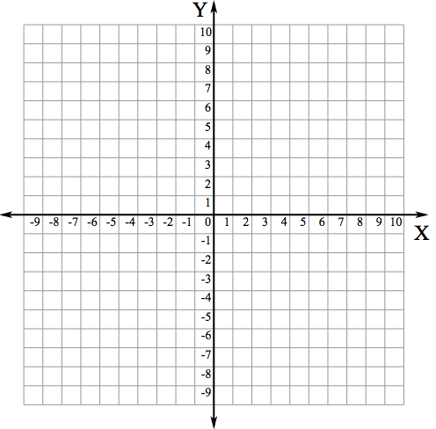
2 | 9 | 5 | -1 |  | 2 | -9 | -2 | -5
3 | 14 | 5 | -1 |  | 3 | -11 | -2 | -5
4 | 19 | 5 | -1 |  | 4 | -13 | -2 | -5

Ans: | y= | 5 | x+ | -1 |  | Ans: | y= | -2 | x+ | -5

y=5x+-1 |  |  |  |  |  | y=-2x+-5

Graph of the system
x | y1 | y2
-4 | -21 | 3
-3 | -16 | 1
-2 | -11 | -1
-1 | -6 | -3
0 | -1 | -5
1 | 4 | -7
2 | 9 | -9
3 | 14 | -11
4 | 19 | -13
 |  |  |  |  |  |  |  |  |  |  | Name: ______________________________________________ Date: ____________________ Period 6

 |  |  |  |  |  |  |  |  |  |  | Graph the system of equations and CIRCLE the solution. Write no solutions or infinitely many solutions when appropriate.

 |  |  |  |  |  |  |  |  |  |  | y=3x+0
 |  |  |  |  |  |  |  |  |  |  | y=-3x+-5

x1 | y1 | m | b |  | x2 | y2 | m | b
-4 | -12 | 3 | 0 |  | -4 | 7 | -3 | -5
-3 | -9 | 3 | 0 |  | -3 | 4 | -3 | -5
-2 | -6 | 3 | 0 |  | -2 | 1 | -3 | -5
-1 | -3 | 3 | 0 |  | -1 | -2 | -3 | -5
0 | 0 | 3 | 0 |  | 0 | -5 | -3 | -5
1 | 3 | 3 | 0 |  | 1 | -8 | -3 | -5
2 | 6 | 3 | 0 |  | 2 | -11 | -3 | -5
3 | 9 | 3 | 0 |  | 3 | -14 | -3 | -5
4 | 12 | 3 | 0 |  | 4 | -17 | -3 | -5

Ans: | y= | 3 | x+ | 0 |  | Ans: | y= | -3 | x+ | -5

y=3x+0 |  |  |  |  |  | y=-3x+-5
Graph
x | y1 | y2
-4 | -12 | 7
-3 | -9 | 4
-2 | -6 | 1
-1 | -3 | -2
0 | 0 | -5
1 | 3 | -8
2 | 6 | -11
3 | 9 | -14
4 | 12 | -17

